Workflow
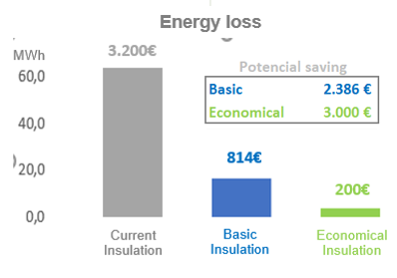
 |  | Energy analysis |  |  |  |  | Safety | Maintenance | Others | TBi | Input
Component / Location |  | Energy Loss per year |  | Potential savings per year |  |  |  |  |  | Insulation Advise | Insulated | Surface (m²) | DN or Øe | Length | Items number

1.- | Tank roof 58 | 869.2 | kWh | 690.0 | -- 827,1 | MWh | Railing | Corroded |  |  | Y | 216
 |  | 43,443 | € | 34,538 | -- 41.364 | € | Add>> | Add>> | Add>>
2.- | Flange 234/240 | 24.3 | kWh | 21.5 | -- 23,2 | kWh | Hot surface | Leakage |  |  | N |  | 20 |  | 6
 |  | 1,214 | € | 1,076 | -- 1.157 | € | Add>> | Add>> | Add>>
4.- | Manhole 71 | 2.2 | MWh/m² | 1.6 | -- 1,9 | kWh/m² | Hot Surface |  |  |  | N
 |  | 110 | €/m² | 80 | -- 101 | €/m² | Housekeeping | Add>> | Add>>
Insulation recommended
surface unknown
Maintenance
 | TOTAL PROJECT | 893.5 | MWh | 711.5 | -- 850,3 | kWh |  |  |  |  |  |  |  |  |  | fondo blanco
System Ok
increase performance or thickness
 |  | 44,657 | € | 35,614 | -- 42.522 | €
 |  |  |  |  |  |  |  |  |  | tableta en vertical |  |  |  |  |  |  | tableta en horizontal

Output
